Nutfact
Product |  | L-Men Gel | Strive Gel | 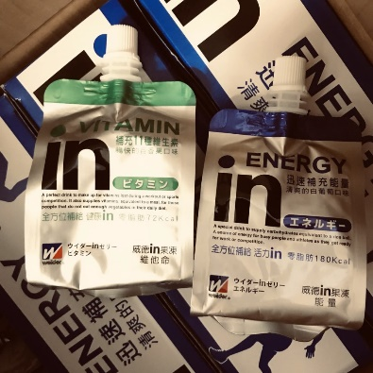 Weider In Gel | 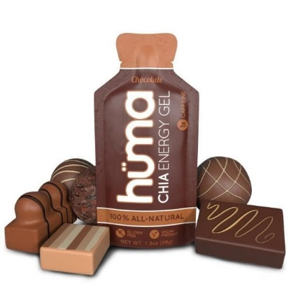 Huma Energy Gel | 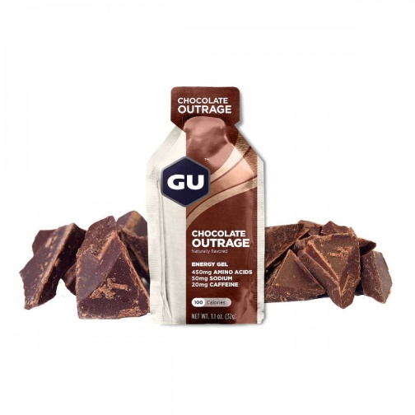 Gu Energy Gel | 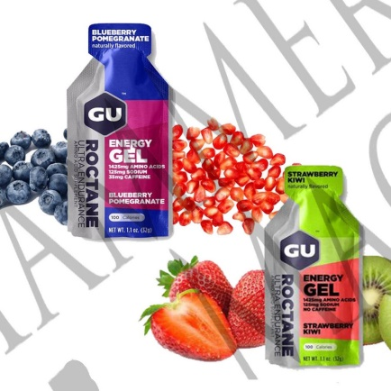 Gu ROCTANE Gel | 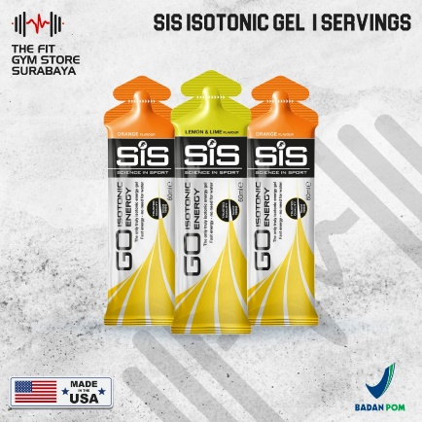 Sis Go Isotonic Energy Gel
Price/serving |  | Rp15,000 | Rp15,000 | Rp45,000 | Rp50,000 | Rp31,000 | Rp49,000 | Rp35,000
Gramasi |  | 30 | 24 | 180 | 36 | 50 | 32 | 100
Komposisi |  |  | Maltodekstrin Ekstrak Kurma Jahe Asam Amino Caffein | Liquid dextrin, fructose-glucose liquid sugar, muscat juice / Ca-lactate, citric acid, gelling agent (thickening polysaccharide), C, Na citrate, flavor, K chloride, emulsifier, Ca pantothenate, niacin & multivitamin | Cane Sugar, Brown Rice Syrup, Water, Cocoa Powder, Cocoa Butter, Powdered Chia Seeds, vanilla Extract, Sea Salt, Natural Caffeine | Maltodextrin, Caffeine, BCAA (highlighted) | Maltodextrin, Caffeine, BCAA (highlighted) | Maltodextrin
Asam Amino | Creatine
 | BCAA | Ada (2gr) | Ada | Tidak Ada | Tidak Ada | Ada | Ada (1.4 gr) | Tidak Ada
Kalori (kkal) |  | 100 | 90 | 180 | 100 | 100 | 100 | 90
Karbohidrat (g) |  | 25 | ada | 45 | 25 | 21 | 21 | 22
Protein (g) |  | 3 |  |  | 1
Kalsium (mg) |  |  |  |  | 1% | 2% | 2%
Caffeine (mg) |  | Ada | Ada | Ada | Ada | Ada | 35
Lemak (g) |  |  |  |  | 1 | 1.5 | 0
Total Gula (g) |  |  |  |  | 15 | 8 | 6 | <1
Fiber (g) |  |  |  |  | 1
Sodium (mg) |  |  |  | 100 | 110 | 50 | 125 | 10
Potassium (mg) |  |  |  | 0.4 - 2.7 | 1% | 60
Phosporus (mg)
Magnesium (mg)
Zat Besi (mg) |  |  |  |  | 4%
Natrium (mg)
Phantotenic Acid (mg) |  |  |  | 0.46 - 2.1
Niacin (mg) |  |  |  | 1.0 - 1.9
Asam Folat (mcg) |  |  |  | 20-90 (ug)
Vitamin | A (IU) |  |  | 45 - 120
 | B1 (mg) |  | Ada | 0.09 -0.25
 | B2 (mg) |  |  | 0.11 - 0.21
 | B3 (mg)
 | B6 (mg) |  | Ada | 0.1 - 0.2
 | B12 (mcg) |  |  | 0.2 - 0.67
 | C (mg) |  |  | 80 - 190 |  |  |  | 1
 | D (IU) |  |  | 0.42 - 1.7
 | E (mg) |  |  | 0.74 - 1.2

Pricing Benchmark
Enery Gel Pricing Benchmark Perceptual Map
Product | price/serving | Kalori (kkal) | price/kkal kalori
L-Men Gel | Rp15,000 | 100 | 150
Strive Gel | Rp15,000 | 90 | 166.7
Weider In Gel | Rp45,000 | 180 | 250.0
Huma Energy Gel | Rp50,000 | 100 | 500.0
Gu Energy Gel | Rp31,000 | 100 | 310.0
Gu ROCTANE Gel | Rp49,000 | 100 | 490.0
Sis Go Isotonic Energy Gel | Rp35,000 | 90 | 388.9

Product | price/serving | Karbohidrat (g) | price/kkal kalori
L-Men Gel | Rp15,000 |  | #DIV/0!
Strive Gel | Rp15,000 |  | #DIV/0!
Weider In Gel | Rp45,000 | 45 | 1000.0
Huma Energy Gel | Rp50,000 | 25 | 2000.0
Gu Energy Gel | Rp31,000 | 21 | 1476.2
Gu ROCTANE Gel | Rp49,000 | 21 | 2333.3
Sis Go Isotonic Energy Gel | Rp35,000 | 22 | 1590.9

